Model development
LASSO prognostic model CPTAC TCGA
A paired differential expression analysis was performed using the limma package in R on median-normalized gene-level CPTAC-PDAC proteomic intensities. Matched tumor and normal samples were identified by shared sample IDs and analyzed using a linear model including patient as a blocking factor. Empirical Bayes moderation was applied, and P values were adjusted using the Benjamini-Hochberg false discovery rate method. Proteins with FDR < 0.05 and absolute log2 fold change ≥ 1 were considered significantly differentially expressed.

 |  |  | Gene | Coefficient (β) | Role
 |  |  | PRSS3 | 0.1074 | 🔴 Risk gene | ↑ expression → ↑ risk
The initial cross-omics signature was not significantly associated with overall survival in either univariable (HR = 1.13, p = 0.239) or multivariable Cox regression (HR = 1.08, p = 0.480), with limited discriminative ability (C-index = 0.52-0.56). In contrast, the LASSO-derived signature demonstrated strong prognostic performance, remaining highly significant in both univariable (HR = 6.41, p < 0.001) and multivariable analyses (HR = 6.13, p < 0.001), with improved prognostic accuracy (C-index ≈ 0.60). These findings indicate that the LASSO model captures survival-relevant molecular features beyond the initial biologically driven signature. |  |  | SLC16A10 | 0.0149 | 🔴 Weak risk
 |  |  | FKBP11 | -0.1327 | 🟢 Protective | ↑ expression → ↓ risk
 |  |  | SLC43A1 | -0.1099 | 🟢 Protective | ↑ expression → ↓ risk
 |  |  | AMY2B | -0.0127 | 🟢 Weak protective
data: | https://www.linkedomics.org/data_download/CPTAC-PDAC | proteins (gene symbols used for annotation)

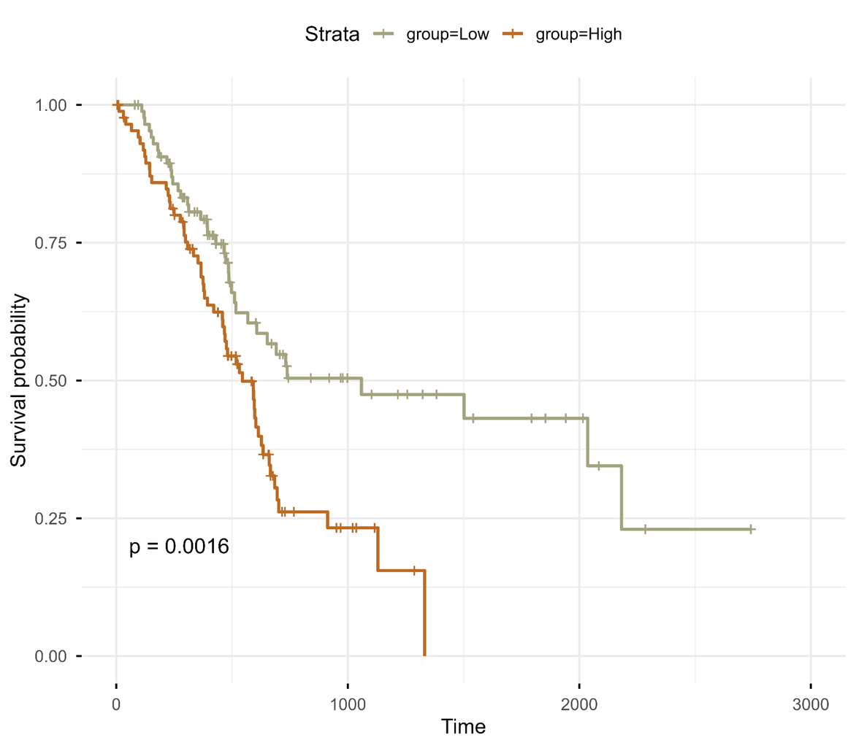
LASSO
Risk Score=(0.1074×PRSS3)+(0.0149×SLC16A10)−(0.1327×FKBP11)−(0.1099×SLC43A1)−(0.0127×AMY2B)
PRSS3 expression was validated using the Human Protein Atlas (HPA), confirming its enrichment in pancreatic tissue and significant upregulation in pancreatic adenocarcinoma at both RNA and protein levels.

CPTAC_DE_significant
logFC | AveExpr | t | P.Value | adj.P.Val | B | Gene
-1.4321625086 | 28.210123631 | -6.6675884296 | 2.7647128435E-09 | 1.8520610241E-07 | 10.995423689 | PLA2G1B
-1.4045685346 | 27.162864649 | -6.5289343299 | 5.5288486568E-09 | 2.4074100588E-07 | 10.337051073 | SYCN
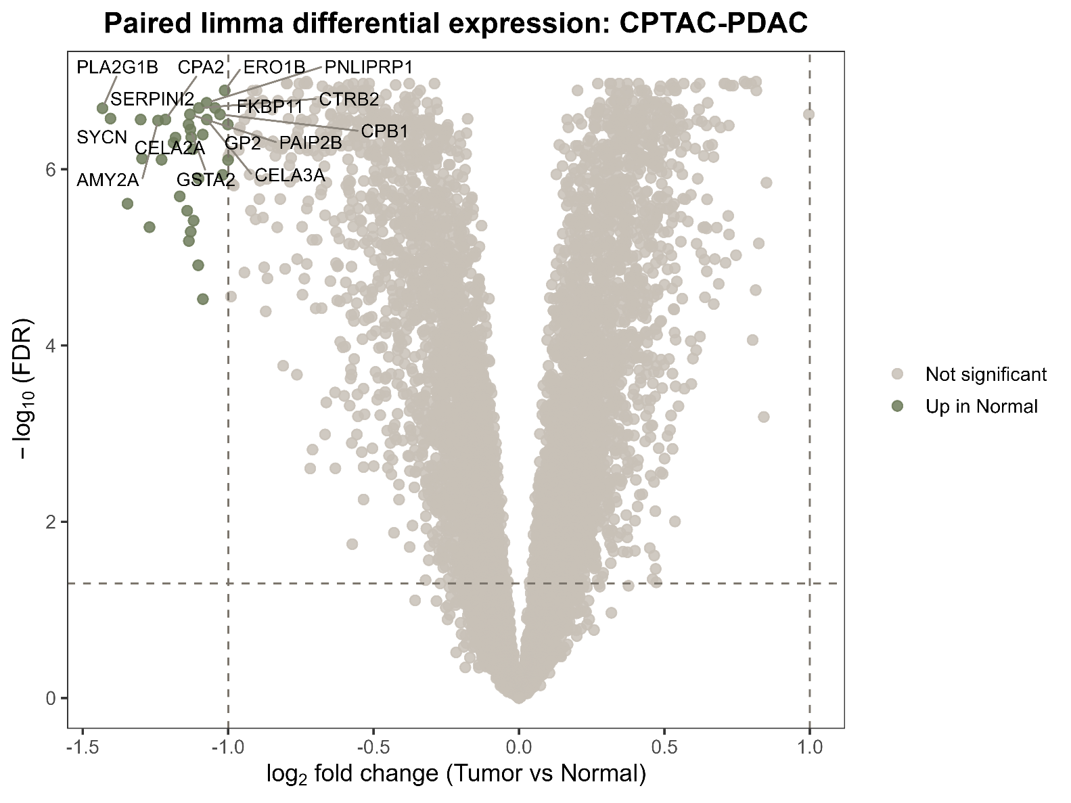
-1.3007984821 | 25.919002464 | -6.4822990957 | 6.2536686117E-09 | 2.4742834661E-07 | 10.213557158 | SERPINI2
-1.27039396 | 24.548896301 | -5.5373520021 | 5.1286153075E-07 | 4.169134704E-06 | 6.0571379714 | AQP8
-1.2410996123 | 30.004500624 | -6.4551498479 | 7.0443801242E-09 | 2.5562849676E-07 | 10.099542985 | AMY2A
-1.2288371227 | 24.640500796 | -6.0078345563 | 4.8993422795E-08 | 7.1501995296E-07 | 8.2439104403 | KLK1
-1.2156243405 | 27.844711978 | -6.4775029997 | 6.3866613731E-09 | 2.4742834661E-07 | 10.193405225 | CPA2
-1.1877364618 | 22.607646689 | -6.2807160592 | 2.2373098023E-08 | 4.5648561918E-07 | 9.0243525579 | SLC43A1
-1.1811425728 | 29.678051423 | -6.2359740752 | 1.831993623E-08 | 3.9887947641E-07 | 9.1846822343 | PNLIP
-1.1663274626 | 22.770022017 | -5.73776548 | 1.7282116608E-07 | 1.8513927047E-06 | 7.055421495 | AQP12B
-1.1408512539 | 21.848626798 | -5.7289635879 | 2.8872513273E-07 | 2.7052363023E-06 | 6.620899619 | DHRS2
-1.1361292417 | 29.009247533 | -6.3955196257 | 9.1452153733E-09 | 2.8281987758E-07 | 9.849642114 | CELA2A
-1.1311963563 | 24.6126819 | -6.5570515425 | 4.5024552858E-09 | 2.1803242065E-07 | 10.52822181 | PAIP2B
-1.1298169707 | 29.469069051 | -6.3283851484 | 1.2258543759E-08 | 3.2063256015E-07 | 9.569169859 | GSTA2
-1.1287094114 | 26.313724463 | -5.4212285204 | 5.9115168022E-07 | 4.6790471763E-06 | 5.8716584808 | AMY2B
-1.1267536545 | 28.495262055 | -6.2402893893 | 1.7980168122E-08 | 3.9468183757E-07 | 9.2025946002 | CEL
-1.1214198392 | 30.021203009 | -6.1127832697 | 3.1207622251E-08 | 5.4202386955E-07 | 8.6751366244 | PRSS1
-1.1187878303 | 25.06333445 | -5.5064636627 | 4.0618967665E-07 | 3.5072497696E-06 | 6.2249325521 | PRSS3
-1.1019325194 | 21.404439212 | -5.9955134907 | 9.2830777641E-08 | 1.1666844691E-06 | 7.6893679991 | SLC16A10
-1.1005478199 | 28.505821114 | -6.6761821244 | 2.6616117696E-09 | 1.8425825034E-07 | 11.031837854 | CTRB2
-1.0871645021 | 29.73832271 | -6.2716145611 | 1.5693631875E-08 | 3.696722175E-07 | 9.3327464376 | CPA1
-1.0739385942 | 26.875705386 | -6.7394503502 | 2.0112351373E-09 | 1.6021959837E-07 | 11.300316305 | PNLIPRP1
-1.0732363005 | 28.552928442 | -6.4902158378 | 6.0401152898E-09 | 2.4742834661E-07 | 10.246831077 | CELA3A
-1.0447493907 | 25.866417975 | -6.6730351665 | 2.6989167751E-09 | 1.8425825034E-07 | 11.018501716 | FKBP11
-1.0281126607 | 29.64630074 | -6.5547493899 | 4.5483139113E-09 | 2.1810248137E-07 | 10.518515206 | CPB1
-1.0189795879 | 20.45335159 | -6.1117235565 | 8.2670653514E-08 | 1.0605012495E-06 | 7.8179522944 | RBPJL
-1.0117882576 | 24.740058701 | -6.9621107443 | 7.4649313205E-10 | 1.158503632E-07 | 12.250316422 | ERO1B
-1.000970942 | 27.065393807 | -6.394153339 | 9.1999935533E-09 | 2.8288224453E-07 | 9.8439247103 | GP2
-1.0003656061 | 22.908358509 | -6.0606887126 | 4.9659590216E-08 | 7.1946632089E-07 | 8.2551258592 | FGL1

 |  |  |  |  |  |  | The lack of significant upregulated proteins suggests that tumor-associated signals may be less consistently expressed across samples, in contrast to the downregulation profile of normal pancreatic proteins.

